Design
OM34440 Optus Site Feasibility Report |  |  |  | V | 5 | Design
Site No. |  | H8097 |  | Site Name |  | Austins Ferry

 | NOTE: If you answer 'No' to the below question you are not required to complete any other information on this page, unless under instruction from Optus or performing a feasibility study.

 | Are you required to perform a feasibility study on the site? |  |  |  |  |  |  |  | Yes

 | Details

 | Structure Type

 | Structure Type |  | Monopole
 | Structure Owner |  | Optus
 | Manufacturer & Model |  | ROCLA CONCRETE MONOPOLE & SR3-BM27-585
 | Structure Height |  | 27m
 | Antenna Height |  | 23.10m & 24.10m
 | Structure Loading |  | 99%
 | Foundation Loading |  | 99%

 | Details | Refer to Pole certificate 292920_1 by Civilmart

 | Condition of Existing Mounts & Sundry Supports

 | Sector | Mount | Type | Length | Describe Works Required to Upgrade for Target Antenna Solution
 | 1 | New Antenna mount | CHS | 2.7m | SHARED : REPLACE EXISTING eJV 12P HUAWEI ASI4517R1 PANEL ANTENNAS (3 OFF) WITH NEW eJV 16P COMMSCOPE RRVV2VV-6533D-R8 PANEL ANTENNAS (1 OFF PER SECTOR) (FOR SECTOR 11-J, 21-J, & 31-J) ON NEW ANTENNA MOUNT CONNECTED TO NEW COLLAR MOUNT OPTUS : INSTALL NEW OPTUS ERICSSON AIR3268 B78Y (NR35) ANTENNAS (1 OFF PER SECTOR) (FOR SECTOR 12-O, 22-O, & 32-O) ON NEW ANTENNA MOUNT CONNECTED TO NEW COLLAR MOUNT VODAFONE : INSTALL NEW VODAFONE NOKIA AVQL (NR36) ANTENNAS (1 OFF PER SECTOR) (FOR SECTOR 13-V, 23-V, & 33-V) (BELOW OPTUS AAU) ON NEW ANTENNA MOUNT CONNECTED TO NEW COLLAR MOUNT
 | 2 | New Antenna mount | CHS | 2.7m
 | 3 | New Antenna mount | CHS | 2.7m

 | Details

 | Cable Ladder

 | Describe existing cable ladder, size mounting method, etc
 | Sector 1 | ALL CABLES TO BE RUN IN EXISTING 450 WIDE ELEVATED CABLE LADDER
 | Sector 2
 | Sector 3
 | Sector 4

 | Describe works required to upgrade for Target Antenna Solution
 | Sector 1 | OPTUS: REUSE EXISTING OPTUS H&S 9/18 HYBRID CABLE (1 OFF) (LENGTH: 40m) AND SHARED H&S 9/18 HYBRID CABLE (1 OFF) (LENGTH: 40m) TO BE ALLOCATED TO OPTUS TO RUN IN EXISTING OPTUS 450mm WIDE CABLE LADDER VODAFONE: REUSE EXISTING VODAFONE H&S 9/18 HYBRID CABLE (1 OFF) (LENGTH: 40m) AND INSTALL NEW H&S 9/18 (10mm2) HYBRID CABLES (1 OFF) (LENGTH: 40m) FOR VODAFONE TO RUN IN EXISTING OPTUS 450mm WIDE CABLE LADDER
 | Sector 2
 | Sector 3
 | Sector 4

 | Details

 | Other Carriers On Site (Mark X in relevant boxes)

 | Telstra | 3GIS | Voda |  | Others
 | X |  | X

 | Details

 | Shelter Fit Out

 | Shelter/Cabinet type & details |  |  | Sandwich Panel Shelter
 | Is there any floor space available |  |  | YES
 | Does the existing Gland Window have sufficient space for new feeders |  |  | YES
 | Cable ladder capacity sufficient |  |  | YES

 | Details

 | Shelter Air Conditioning and Economy Fan |  |  |  |  |  |  |  |  |  | Eeprom List
 |  |  |  |  |  |  |  |  |  |  | Site Type | Version | Temp On Set Point | Last Updated
 | Air Conditioner 1 Make and Model |  |  |  |  |  |  |  |  |  | Standard Site Use | A2E81_3(A/D) | 33.5 Degrees C | 2015-10-12
 | Air Conditioner 2 Make and Model |  |  |  |  |  |  |  |  |  | Hub Site with Alcatel 1662 use | A2E82_3(A/D) | 31 Degrees C | 2015-10-12
 | Air Conditioner 3 Make and Model |  |  |  |  |  |  |  |  |  | Leave Existing Eeprom
 | Does shelter have an economy fan installed? |  |  | NO |  |  |  |  |  |  | N/A
 | If no econ fan installed detail works required to install fan, PLC, motorised air relief & ancillaries.
 | eProm Version required (if installing/upgrading e fan)
 | Detail any other air conditioner works required.

 | Details

 | AC Power Supply
 |  |  |  |  |  |  |  |  |  |  | Phase Options
 |  | Meter Box / Pillar |  | AC Distribution Board |  |  |  |  |  |  | RED
 |  | Main Breaker |  | Pwr System Breaker 1 | Pwr System Breaker 2 | Pwr System Breaker 3 | Air Con 1 Breaker | Air Con 2 Breaker | Air Con 3 Breaker | eFan Breaker | WHITE
 | Existing Phase(s) | 3 |  | N/A | N/A |  |  |  |  |  | BLUE
 | Existing Size | 50A |  | 32A | 32A |  |  |  |  |  | N/A
 | Proposed Phase(s) | 3 |  | N/A | N/A |  |  |  |  |  | SINGLE PHASE
 | Proposed Size | 50A |  | 40A | 40A
 | Other

 | Details | EXISTING OPTUS 50A THREE PHASE POWER SUPPLY IS SUFFICIENT FOR PROPOSED UPGRADE
 | -Also refer to Power Calculator tab

 | Additional Information

 | Comments on 3rd Party installs that compromise access or lease area or power requirements

 | 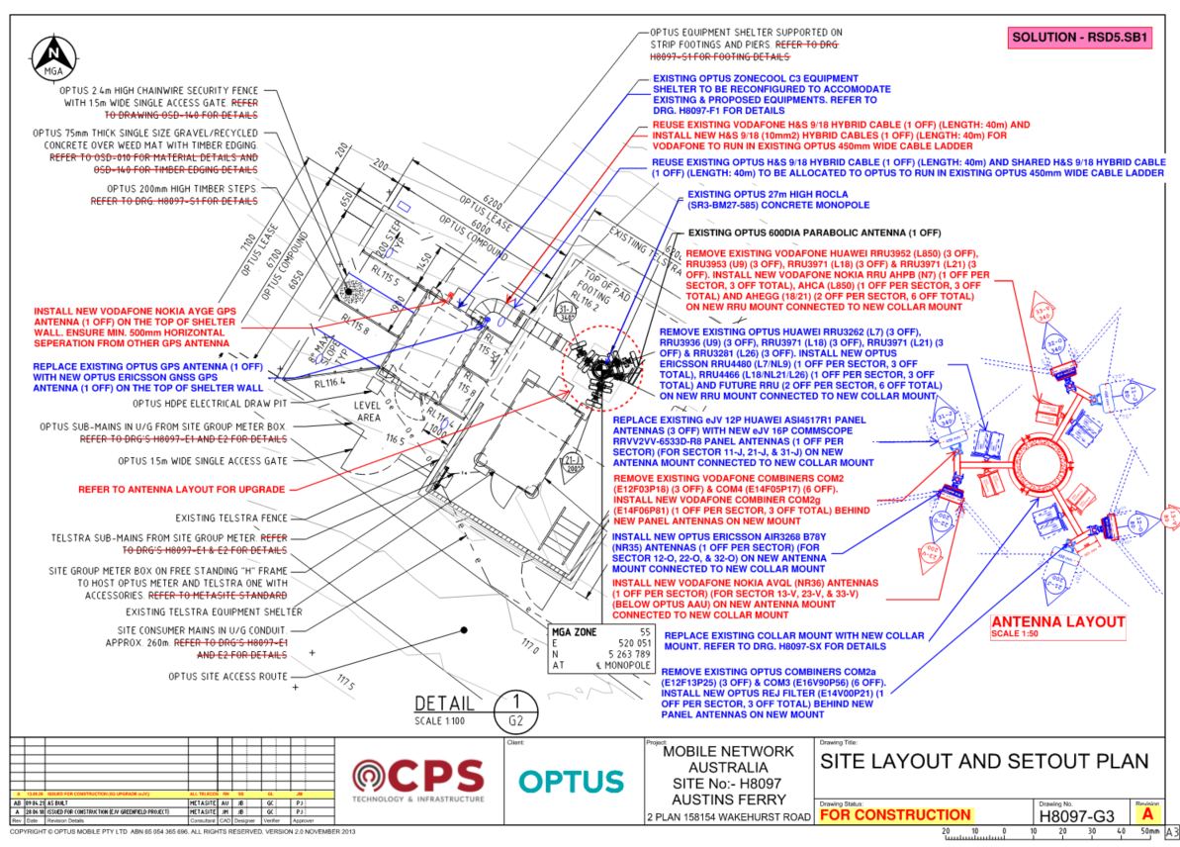 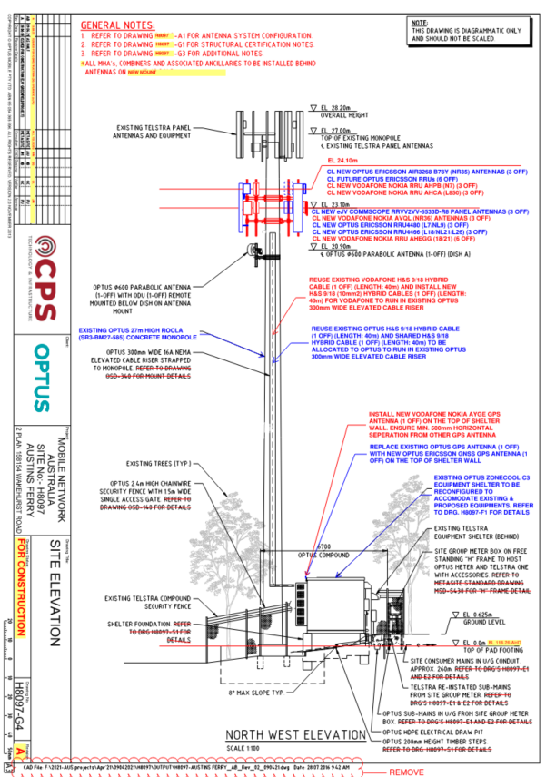 Redline Mark Drawings

 | You need to paste these in
 | Include a redlined marked up copy of the most recent drawings outlining the proposal, example is provided below.

 | Fill in the Scope of Works Summary box below with as much details as possible relating to the proposed construction and shelter upgrade works.
 | 1. ANTENNA SCOPE: SHARED : REPLACE EXISTING eJV 12P HUAWEI ASI4517R1 PANEL ANTENNAS (3 OFF) WITH NEW eJV 16P COMMSCOPE RRVV2VV-6533D-R8 PANEL ANTENNAS (1 OFF PER SECTOR) (FOR SECTOR 11-J, 21-J, & 31-J) ON NEW ANTENNA MOUNT CONNECTED TO NEW COLLAR MOUNT OPTUS : INSTALL NEW OPTUS ERICSSON AIR3268 B78Y (NR35) ANTENNAS (1 OFF PER SECTOR) (FOR SECTOR 12-O, 22-O, & 32-O) ON NEW ANTENNA MOUNT CONNECTED TO NEW COLLAR MOUNT VODAFONE : INSTALL NEW VODAFONE NOKIA AVQL (NR36) ANTENNAS (1 OFF PER SECTOR) (FOR SECTOR 13-V, 23-V, & 33-V) (BELOW OPTUS AAU) ON NEW ANTENNA MOUNT CONNECTED TO NEW COLLAR MOUNT 2. RRU SCOPE: OPTUS : REMOVE EXISTING OPTUS HUAWEI RRU3262 (L7) (3 OFF), RRU3936 (U9) (3 OFF), RRU3971 (L18) (3 OFF), RRU3971 (L21) (3 OFF) & RRU3281 (L26) (3 OFF). INSTALL NEW OPTUS ERICSSON RRU4480 (L7/NL9) (1 OFF PER SECTOR, 3 OFF TOTAL), RRU4466 (L18/NL21/L26) (1 OFF PER SECTOR, 3 OFF TOTAL) AND FUTURE RRU (2 OFF PER SECTOR, 6 OFF TOTAL) ON NEW RRU MOUNT CONNECTED TO NEW COLLAR MOUNT VODAFONE: REMOVE EXISTING VODAFONE HUAWEI RRU3952 (L850) (3 OFF), RRU3953 (U9) (3 OFF), RRU3971 (L18) (3 OFF) & RRU3971 (L21) (3 OFF). INSTALL NEW VODAFONE NOKIA RRU AHPB (N7) (1 OFF PER SECTOR, 3 OFF TOTAL), AHCA (L850) (1 OFF PER SECTOR, 3 OFF TOTAL) AND AHEGG (18/21) (2 OFF PER SECTOR, 6 OFF TOTAL) ON NEW RRU MOUNT CONNECTED TO NEW COLLAR MOUNT 3. COMBINER & MHA SCOPE: OPTUS : REMOVE EXISTING OPTUS COMBINERS COM2a (E12F13P25) (3 OFF) & COM3 (E16V90P56) (6 OFF). INSTALL NEW OPTUS REJ FILTER (E14V00P21) (1 OFF PER SECTOR, 3 OFF TOTAL) BEHIND NEW PANEL ANTENNAS ON NEW MOUNT VODAFONE: REMOVE EXISTING VODAFONE COMBINERS COM2 (E12F03P18) (3 OFF) & COM4 (E14F05P17) (6 OFF). INSTALL NEW VODAFONE COMBINER COM2g (E14F06P81) (1 OFF PER SECTOR, 3 OFF TOTAL) BEHIND NEW PANEL ANTENNAS ON NEW MOUNT 4. HYRBID SCOPE : OPTUS: REUSE EXISTING OPTUS H&S 9/18 HYBRID CABLE (1 OFF) (LENGTH: 40m) AND SHARED H&S 9/18 HYBRID CABLE (1 OFF) (LENGTH: 40m) TO BE ALLOCATED TO OPTUS TO RUN IN EXISTI

 | Information will be automatically generated to the IC Works Summary tab

 | Page Completed |  | Yes |  |  | By Whom | SARAVANAN S

 | Company |  | ALL TELECOS |  |  | Date | 2025-09-13

Floor Layout
OM34440 Optus Site Feasibility Report |  |  |  |  |  | V | 5 | Floor Layout
Site No. |  | H8097 |  | Site Name |  |  | Austins Ferry

 | NOTE: If you answer 'No' to the below question you are not required to complete any other information on this page, unless under instruction from Optus or performing a feasibility study.

 | Are you performing a feasibility on the Floor Layout? |  |  |  |  |  |  |  |  |  | Yes

 | Details

 | Are you required to perform a feasibility study on the shelter floor layout ? |  |  |  |  |  |  |  |  |  |  | Yes

 | Details

 | Which side of the shelter are the feeders entering from? (Looking from door entry to rear wall) |  |  |  |  |  |  |  |  |  |  | Other

 | Details |  | Rear wall

 | Is any additional cable tray required? |  |  |  |  |  |  |  |  |  |  | No

 | Details

 | If Yes, there adequate space for installation? |  |  |  |  |  |  |  |  |  |  | N/A

 | Details

 | Is a second gland window required for feeders? |  |  |  |  |  |  |  |  |  |  | No

 | Details

 | 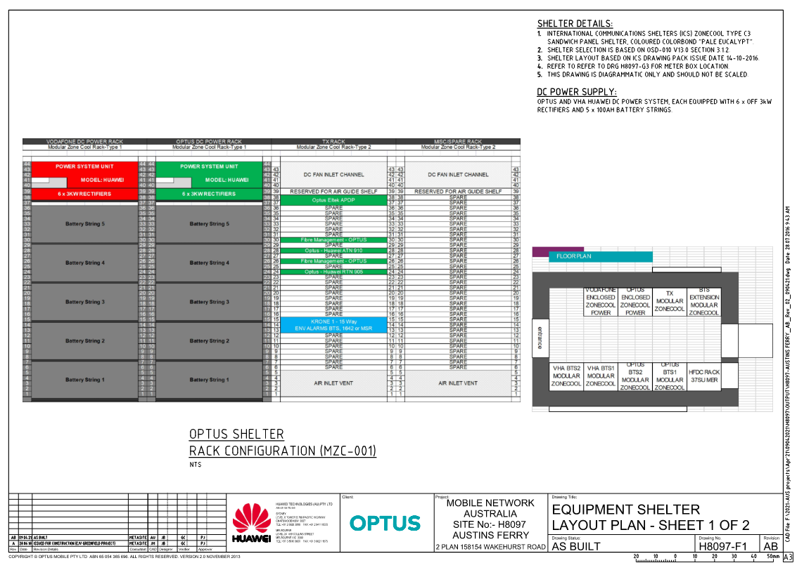 Existing Floor Layout

 | 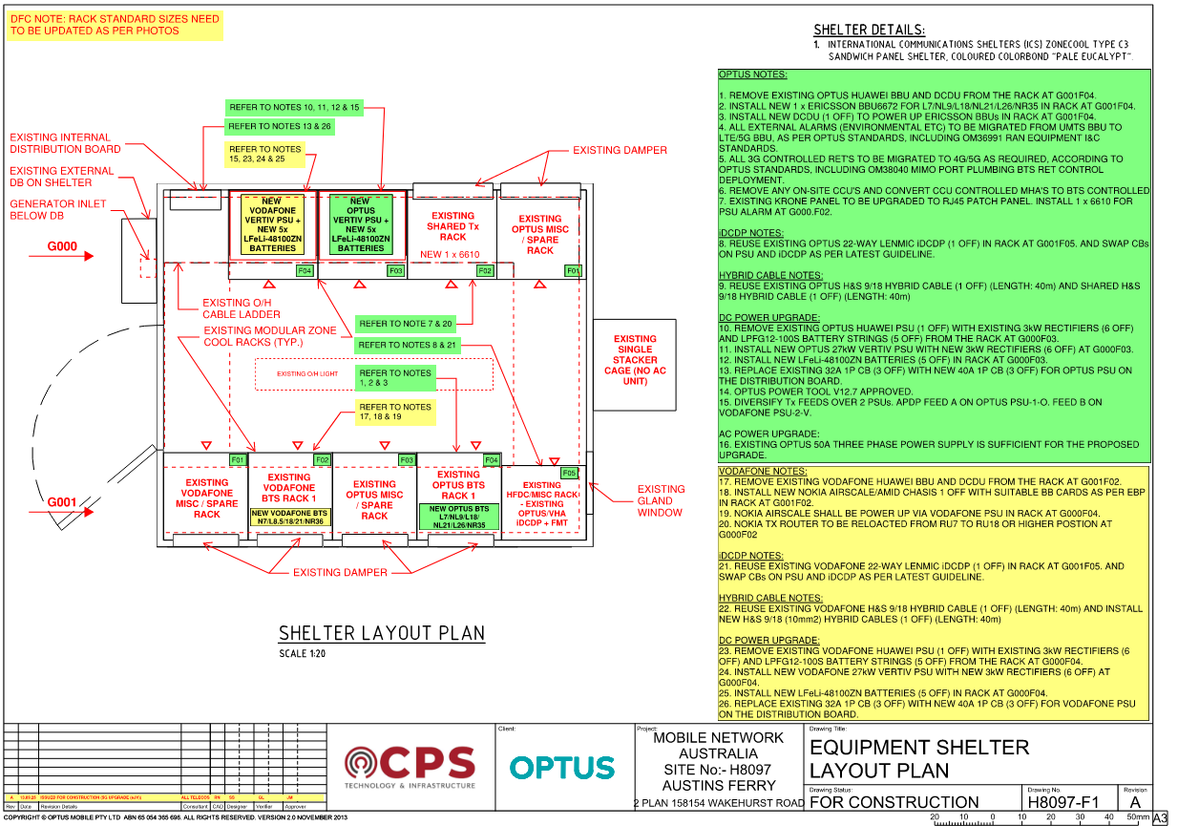 Proposed Floor Layout

 | Fill in the Scope of Works Summary box below with as much details as possible relating to your proposed floor layout site works.

 | OPTUS NOTES: 1. REMOVE EXISTING OPTUS HUAWEI BBU AND DCDU FROM THE RACK AT G001F04. 2. INSTALL NEW 1 x ERICSSON BBU6672 FOR L7/NL9/L18/NL21/L26/NR35 IN RACK AT G001F04. 3. INSTALL NEW DCDU (1 OFF) TO POWER UP ERICSSON BBUs IN RACK AT G001F04. 4. ALL EXTERNAL ALARMS (ENVIRONMENTAL ETC) TO BE MIGRATED FROM UMTS BBU TO LTE/5G BBU, AS PER OPTUS STANDARDS, INCLUDING OM36991 RAN EQUIPMENT I&C STANDARDS. 5. ALL 3G CONTROLLED RET'S TO BE MIGRATED TO 4G/5G AS REQUIRED, ACCORDING TO OPTUS STANDARDS, INCLUDING OM38040 MIMO PORT PLUMBING BTS RET CONTROL DEPLOYMENT. 6. REMOVE ANY ON-SITE CCU'S AND CONVERT CCU CONTROLLED MHA'S TO BTS CONTROLLED 7. EXISTING KRONE PANEL TO BE UPGRADED TO RJ45 PATCH PANEL. INSTALL 1 x 6610 FOR PSU ALARM AT G000.F02. iDCDP NOTES: 8. REUSE EXISTING OPTUS 22-WAY LENMIC iDCDP (1 OFF) IN RACK AT G001F05. AND SWAP CBs ON PSU AND iDCDP AS PER LATEST GUIDELINE. HYBRID CABLE NOTES: 9. REUSE EXISTING OPTUS H&S 9/18 HYBRID CABLE (1 OFF) (LENGTH: 40m) AND SHARED H&S 9/18 HYBRID CABLE (1 OFF) (LENGTH: 40m) DC POWER UPGRADE: 10. REMOVE EXISTING OPTUS HUAWEI PSU (1 OFF) WITH EXISTING 3kW RECTIFIERS (6 OFF) AND LPFG12-100S BATTERY STRINGS (5 OFF) FROM THE RACK AT G000F03. 11. INSTALL NEW OPTUS 27kW VERTIV PSU WITH NEW 3kW RECTIFIERS (6 OFF) AT G000F03. 12. INSTALL NEW LFeLi-48100ZN BATTERIES (5 OFF) IN RACK AT G000F03. 13. REPLACE EXISTING 32A 1P CB (3 OFF) WITH NEW 40A 1P CB (3 OFF) FOR OPTUS PSU ON THE DISTRIBUTION BOARD. 14. OPTUS POWER TOOL V12.7 APPROVED. 15. DIVERSIFY Tx FEEDS OVER 2 PSUs. APDP FEED A ON OPTUS PSU-1-O. FEED B ON VODAFONE PSU-2-V. AC POWER UPGRADE: 16. EXISTING OPTUS 50A THREE PHASE POWER SUPPLY IS SUFFICIENT FOR THE PROPOSED UPGRADE. VODAFONE NOTES: 17. REMOVE EXISTING VODAFONE HUAWEI BBU AND DCDU FROM THE RACK AT G001F02. 18. INSTALL NEW NOKIA AIRSCALE/AMID CHASIS 1 OFF WITH SUITABLE BB CARDS AS PER EBP IN RACK AT G001F02. 19. NOKIA AIRSCALE SHALL BE POWER UP VIA VODAFONE PSU IN RACK AT G000F04. 20. NO

 | Information will be automatically generated to the IC Works Summary tab

 | Page Completed |  |  |  | Yes |  |  |  | By Whom | SARAVANAN S

 | Company |  |  |  | ALL TELECOS |  |  |  | Date | 2025-09-13

Antenna System
OM34440 Optus Site Feasibility Report |  |  |  |  |  | V | 5 | Antenna System
Site No. |  | H8097 |  | Site Name |  | Austins Ferry

 | NOTE: If you answer 'No' to the below question you are not required to complete any other information on this page, unless under instruction from Optus or performing a feasibility study.

 | Have you completed antenna system site works?

 | Existing Antenna System

 | Details |  | Existing shared 1x 12p large antenna

 | Sector 1
 | Antenna Number
 | Antenna Model |  |  |  | Huawei ASI4517R1
 | Antenna Details |  |  |  | 11-J
 | Port Number |  |  |  | Port 1&2 | Port 3&4 | Port 5&6 | Port 7&8 | Port 9&10 | Port 11&12 |  |  | Port 1&2 | Port 3&4 | Port 5&6 | Port 7&8 | Port 9&10 | Port 11&12
 | Frequency |  |  |  | 850/900 | 700/900 | 1800/2100 | 1800/2100 | 18/21/26 | 18/21/26
 | Carrier Using Ports |  |  |  | Voda | Optus | Voda | Voda | Optus | Optus
 | Orientation (degrees) |  |  |  | 0
 | Electrical Down Tilt (degrees) |  |  |  | 2 | 2 | 2 | 2 | 2 | 2
 | Mechanical Down Tilt |  |  |  | 0
 | Mounting Height (m) - AGL |  |  |  | 23.1
 | Coordinates (Easting, Northing) |  |  |  | 55 | 520051 | 5263789
 | RET Enabled on Antenna |  |  |  | Yes | Yes | Yes | Yes | Yes | Yes
 | Feeder Type and Size
 | Feeder Length (metres)
 | Hybrid Cable (DC&Fibre) |  |  |  | Yes | Yes | Yes | Yes | Yes | Yes

 | Sector 2
 | Antenna Number
 | Antenna Model |  |  |  | Huawei ASI4517R1
 | Antenna Details |  |  |  | 21-J
 | Port Number |  |  |  | Port 1&2 | Port 3&4 | Port 5&6 | Port 7&8 | Port 9&10 | Port 11&12 |  |  | Port 1&2 | Port 3&4 | Port 5&6 | Port 7&8 | Port 9&10 | Port 11&12
 | Frequency |  |  |  | 850/900 | 700/900 | 1800/2100 | 1800/2100 | 18/21/26 | 18/21/26
 | Carrier Using Ports |  |  |  | Voda | Optus | Voda | Voda | Optus | Optus
 | Orientation (degrees) |  |  |  | 200
 | Electrical Down Tilt (degrees) |  |  |  | 2 | 5 | 2 | 2 | 4 | 4
 | Mechanical Down Tilt |  |  |  | 0
 | Mounting Height (m) - AGL |  |  |  | 23.1
 | Coordinates (Easting, Northing) |  |  |  | 55 | 520051 | 5263789
 | RET on Antenna |  |  |  | Yes | Yes | Yes | Yes | Yes | Yes
 | Feeder Type and Size
 | Feeder Length (metres)
 | Hybrid Cable (DC&Fibre) |  |  |  | Yes | Yes | Yes | Yes | Yes | Yes

 | Sector 3
 | Antenna Number
 | Antenna Model |  |  |  | Huawei ASI4517R1
 | Antenna Details |  |  |  | 31-J
 | Port Number |  |  |  | Port 1&2 | Port 3&4 | Port 5&6 | Port 7&8 | Port 9&10 | Port 11&12 |  |  | Port 1&2 | Port 3&4 | Port 5&6 | Port 7&8 | Port 9&10 | Port 11&12
 | Frequency |  |  |  | 850/900 | 700/900 | 1800/2100 | 1800/2100 | 18/21/26 | 18/21/26
 | Carrier Using Ports |  |  |  | Voda | Optus | Voda | Voda | Optus | Optus
 | Orientation (degrees) |  |  |  | 340
 | Electrical Down Tilt (degrees) |  |  |  | 2 | 3 | 2 | 2 | 3 | 3
 | Mechanical Down Tilt |  |  |  | 0
 | Mounting Height (m) - AGL |  |  |  | 23.1
 | Coordinates (Easting, Northing) |  |  |  | 55 | 520051 | 5263789
 | RET on Antenna |  |  |  | Yes | Yes | Yes | Yes | Yes | Yes
 | Feeder Type and Size
 | Feeder Length (metres)
 | Hybrid Cable (DC&Fibre) |  |  |  | Yes | Yes | Yes | Yes | Yes | Yes

 | Existing RF Plumbing

 | 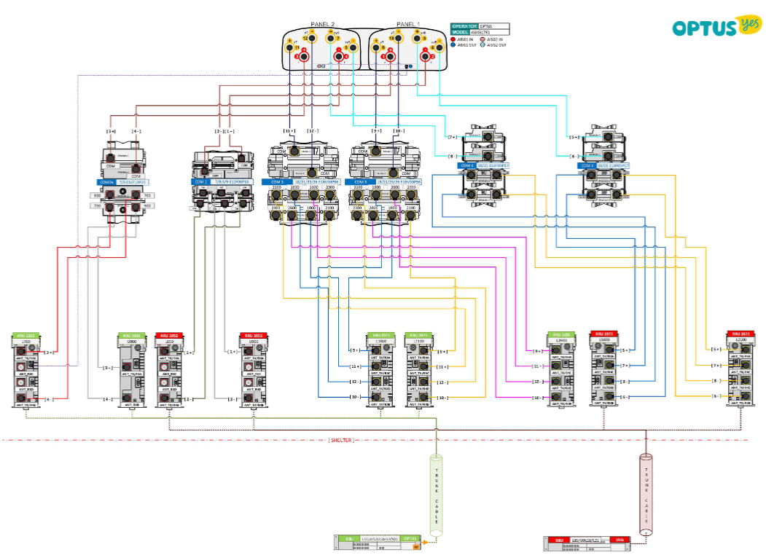 Concept or Detailed plumbing drawing to be completed in Microsoft Visio and embeded here. RF Drawings are to follow Optus RF Drawing Template Standards

 | Proposed Antenna System

 | Details |  | Swap antennas to shared 1x 16p large antenna +2x AAU

 | Sector 1
 | Antenna Number
 | Antenna Model |  |  |  | Commscope RRVV2VV-6533D-R8 |  |  |  |  |  |  |  | Ericsson AIR3268 B78Y |  |  |  |  |  | Nokia AVQL
 | Antenna Details |  |  |  | 11-J |  |  |  |  |  |  |  | 12-O |  |  |  |  |  | 13-V
 | Port Number |  |  |  | Port 1&2 | Port 3&4 | Port 5&6 | Port 7&8 | Port 9&10 | Port 11&12 | Port 13&14 | Port 15&16 | Port 1&2 |  |  |  |  |  | Port 1&2
 | Frequency |  |  |  | 700/850 | 700/900 | 18/21/26 | 18/21/26 | 1800/2100 | 1800/2100 | 1800/2100 | 1800/2100 | 3500 |  |  |  |  |  | 3600
 | Carrier Using Ports |  |  |  | Voda | Optus | Optus | Optus | Voda | Voda | Voda | Voda | Optus |  |  |  |  |  | Voda
 | Orientation (degrees) |  |  |  | 80 |  |  |  |  |  |  |  | 80 |  |  |  |  |  | 80
 | Electrical Down Tilt (degrees) |  |  |  | 2 | 2 | 2 | 2 | 4 | 4 | 4 | 4 | 6 |  |  |  |  |  | -2
 | Mechanical Down Tilt |  |  |  | 0 |  |  |  |  |  |  |  | 0 |  |  |  |  |  | 0
 | Mounting Height (m) - AGL |  |  |  | 23.1 |  |  |  |  |  |  |  | 24.1 |  |  |  |  |  | 23.1
 | Coordinates (Easting, Northing) |  |  |  | 55 | 520051 | 5263789 |  |  |  |  |  |  |  | 55 | 520051 | 5263789 |  |  |  |  |  | 55 | 520051 | 5263789
 | RET Enabled on Antenna |  |  |  | Yes | Yes | Yes | Yes | Yes | Yes | Yes | Yes | N/A |  |  |  |  |  | N/A
 | Feeder Type and Size
 | Feeder Length (metres)
 | Hybrid Cable (DC&Fibre) |  |  |  | Yes | Yes | Yes | Yes | Yes | Yes | Yes | Yes | Yes |  |  |  |  |  | Yes

 | Sector 2
 | Antenna Number
 | Antenna Model |  |  |  | Commscope RRVV2VV-6533D-R8 |  |  |  |  |  |  |  | Ericsson AIR3268 B78Y |  |  |  |  |  | Nokia AVQL
 | Antenna Details |  |  |  | 21-J |  |  |  |  |  |  |  | 22-O |  |  |  |  |  | 23-V
 | Port Number |  |  |  | Port 1&2 | Port 3&4 | Port 5&6 | Port 7&8 | Port 9&10 | Port 11&12 | Port 13&14 | Port 15&16 | Port 1&2 |  |  |  |  |  | Port 1&2
 | Frequency |  |  |  | 700/850 | 700/900 | 18/21/26 | 18/21/26 | 1800/2100 | 1800/2100 | 1800/2100 | 1800/2100 | 3500 |  |  |  |  |  | 3600
 | Carrier Using Ports |  |  |  | Voda | Optus | Optus | Optus | Voda | Voda | Voda | Voda | Optus |  |  |  |  |  | Voda
 | Orientation (degrees) |  |  |  | 200 |  |  |  |  |  |  |  | 200 |  |  |  |  |  | 200
 | Electrical Down Tilt (degrees) |  |  |  | 2 | 5 | 4 | 4 | 3 | 3 | 3 | 3 | 6 |  |  |  |  |  | -3
 | Mechanical Down Tilt |  |  |  | 0 |  |  |  |  |  |  |  | 0 |  |  |  |  |  | 0
 | Mounting Height (m) - AGL |  |  |  | 23.1 |  |  |  |  |  |  |  | 24.1 |  |  |  |  |  | 23.1
 | Coordinates (Easting, Northing) |  |  |  | 55 | 520051 | 5263789 |  |  |  |  |  |  |  | 55 | 520051 | 5263789 |  |  |  |  |  | 55 | 520051 | 5263789
 | RET on Antenna |  |  |  | Yes | Yes | Yes | Yes | Yes | Yes | Yes | Yes | N/A |  |  |  |  |  | N/A
 | Feeder Type and Size
 | Feeder Length (metres)
 | Hybrid Cable (DC&Fibre) |  |  |  | Yes | Yes | Yes | Yes | Yes | Yes | Yes | Yes | Yes |  |  |  |  |  | Yes

 | Sector 3
 | Antenna Number
 | Antenna Model |  |  |  | Commscope RRVV2VV-6533D-R8 |  |  |  |  |  |  |  | Ericsson AIR3268 B78Y |  |  |  |  |  | Nokia AVQL
 | Antenna Details |  |  |  | 31-J |  |  |  |  |  |  |  | 32-O |  |  |  |  |  | 33-V
 | Port Number |  |  |  | Port 1&2 | Port 3&4 | Port 5&6 | Port 7&8 | Port 9&10 | Port 11&12 | Port 13&14 | Port 15&16 | Port 1&2 |  |  |  |  |  | Port 1&2
 | Frequency |  |  |  | 700/850 | 700/900 | 18/21/26 | 18/21/26 | 1800/2100 | 1800/2100 | 1800/2100 | 1800/2100 | 3500 |  |  |  |  |  | 3600
 | Carrier Using Ports |  |  |  | Voda | Optus | Optus | Optus | Voda | Voda | Voda | Voda | Optus |  |  |  |  |  | Voda
 | Orientation (degrees) |  |  |  | 340 |  |  |  |  |  |  |  | 340 |  |  |  |  |  | 340
 | Electrical Down Tilt (degrees) |  |  |  | 2 | 3 | 3 | 3 | 3 | 3 | 3 | 3 | 6 |  |  |  |  |  | -3
 | Mechanical Down Tilt |  |  |  | 0 |  |  |  |  |  |  |  | 0 |  |  |  |  |  | 0
 | Mounting Height (m) - AGL |  |  |  | 23.1 |  |  |  |  |  |  |  | 24.1 |  |  |  |  |  | 23.1
 | Coordinates (Easting, Northing) |  |  |  | 55 | 520051 | 5263789 |  |  |  |  |  |  |  | 55 | 520051 | 5263789 |  |  |  |  |  | 55 | 520051 | 5263789
 | RET on Antenna |  |  |  | Yes | Yes | Yes | Yes | Yes | Yes | Yes | Yes | N/A |  |  |  |  |  | N/A
 | Feeder Type and Size
 | Feeder Length (metres)
 | Hybrid Cable (DC&Fibre) |  |  |  | Yes | Yes | Yes | Yes | Yes | Yes | Yes | Yes | Yes |  |  |  |  |  | Yes

 | Proposed RF Plumbing

 | Concept or Detailed plumbing drawing to be completed in Microsoft Visio and embeded here. RF Drawings are to follow Optus RF Drawing Template Standards

 | Fill in the Scope of Works Summary box below with as much details as possible relating to your proposed antenna upgrade site works.

 | WA ID 658102 - Upgrdae 5G (eJV OH) - TU Swap L7/I7/L18/L21/L26 + New TU L9/N9/N21/N35 + TU decom U9 Optus Site Category: Metro-High ACMA Pre-check for NR35: S145 passed all sectors 25/09/2025 updated Sec 1 azimuth to 80° External Scope of Work: Antenna: Shared 1x large 16p antenna Commscope RRVV2VV-6533D-R8 for all sectors Optus: Install 2x RRU (1x RRU4480 (L7/NL9) + 1x RRU4466 (L18/NL21/L26) per sector and plan for 6 OFF RRU Install 1x 850 rejection filter E14V00P21 per sector Install 1x NR35 AAU AIR3268 B78Y per sector Replace existing GPS with 1x Ericsson GPS GNSS Reuse existing 1x 9/18 hybrid cable and existing shared 1x 9/18 hybrid cable to be allocated to Optus Vodafone: Install 4x RRU 1x AHPB (N7) + 1x AHCA (L850) + 2x AHEGG (18/21) per sector Install 1x LB combiner COM2g E14F06P81 per sector Install 1x NR36 AAU AVQL per sector Install 1x Nokia GPS AYGE Reuse existing 1x 9/18 hybrid cable and install new 1x 9/18 hybrid cable
 | Information will be automatically generated to the IC Works Summary tab

 | Page Completed |  |  |  | Yes |  |  |  |  | By Whom |  |  |  |  |  | Carolina Cansino

 | Company |  |  |  | CPS Tech |  |  |  |  | Date |  |  |  |  |  | 2025-09-15

